Introduction
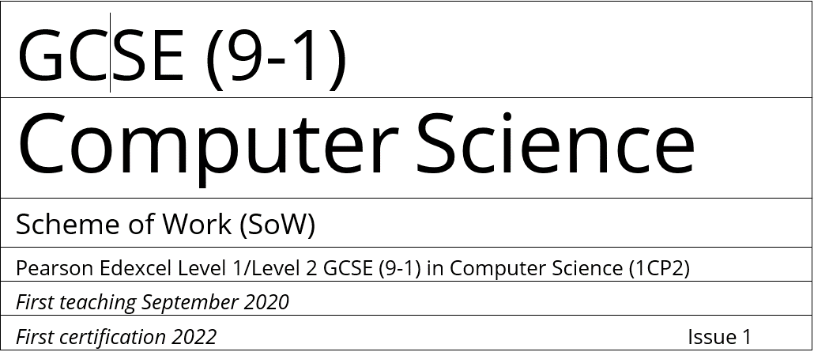

Scheme of work - Learning content mapping
The materials of our Scheme of Work have been classified into blocks, from 1 to 10.
You can download the materials for each block individually as a zip folder. |  |  |  |  |  | Link to SoW

 | Term1 |  | Term 2 |  | Term 3
 | Half Term 1 | Half Term 2 | Half Term 1 | Half Term 2 | Half Term 1 | Half Term 2
Year 10 | Block 1 | Block 2 | Block 3 | Block 4 | Block 5 | Block 6
Year 11 | Block 7 | Block 8 | Block 9 | Block 10

Each zip folder will contain two sections, titled in the following alphanumerical format:
Yxx_zz_CT or Yxx_zz_P. The significance of each character is:
Yxx – The academic year e.g., Y10 for year 10. The characters xx adopt either the numbers 10 or 11.
zz – Half Term e.g., 01 for Half Term 1 (September to October); 02 for Half Term 2 (October to December), etc.
CT – Computational Thinking
P - Principles of Computer Science
Within each of these folders, you will be able to find a set of subfolders labelled sequentially (CT1, CT2, CT3) to reflect the lesson order.

The sheet 'GCSE2020', is a list of specification points mapped to SoW Lessons.

The sheets named 'Block 1' to 'Block 10' set out the content in each lesson, mapped against the specification, as below:

Block | Section | Subfolder | Lesson number |  | Lesson title |  | What students will learn | Spec. ref.

[…] | […] | […] | CT – Computational Thinking (Topic 1 & 6) |  | This is the lesson title. |  | Here we outline all of the things that students will learn, these are not necessarily the lesson outcomes. | References to the specification.
 |  |  | Or P – Principles of Computer Science (Topics 1 – 5)
 |  |  | Lessons are labelled in sequence, so CT1, CT2, CT3 |  | Each half term is shaded in a different colour to help you identify them.

